NearField|FarField
Near-Field | Far-Field - Academy of EMC

Version: | 1.00.00.2020
Author: | Reto Keller, Academy of EMC
Date: | 2020-May-22

Ideal Electrical Hertzian Dipole vs. Real Antennas
For an ideal Hertzian Dipole (indefinitely small) the near-field to far-field boundary is defined as d=l/(2*p).
In practice, the boundary between near- and far-field depends on the wavelength l [m] and the maximum dimension D [m] of the antenna.
The areas around a transmitting antenna can be roughly categorized in three parts: reactive near-field, radiative near-field, far-field.

Electrically small antennas (D<l/2)
Electrically small antennas (D<l/2), have a reactive near-field, but no significant radiative near-field or far-field.
[Source: The World of the Near Field, Tom Lecklider, 2005]

Electrically large antennas (D>l/2)
Electrically large antennas (D>l/2), have all three categories of fields: reactive near-field, radiative near-field, far-field.
[Source: The World of the Near Field, Tom Lecklider, 2005]

Physical quantity |  |  | Unit |  | Physical constants | Value | Unit
Frequency f |  |  | [Hz] |  | Speed of light c | 299800000 | [m/s]
Wavelength l |  |  | [m] |  | Permittivity of vacuum e0 | 8.854E-12 | [F/m]
f where D= l/2 |  | 7.50E+08 | [Hz] |  | Permeability of vacuum m0 | 1.2566370614E-06 | [H/m]

Input parameters |  | Value | Unit | Remark
Relative permittivity er |  | 1 | [1] | er influences l. In case of a cable or PCB-trace as antenna, set er accordingly.
Relative permeability mr |  | 1 | [1] | mr influences l. mr is usually 1.
Maximum dimension D |  | 0.2 | [m] | Maximum dimension (aperture, length) of the antenna.

 | Reactive Near-Field Boundary of Electrically Small Antenna (D<λ/2) |  | Reactive Near-Field Boundary of Electrically Large Antenna (D>λ/2) |  | Radiative Near-Field Boundary of Electrically Large Antenna (D>λ/2) |  | Frequency for which D=λ/2
1.00E+04 | 4771.4651939 | 1.00E+04 | 0.00032027339889 | 1.00E+04 | 2.6684456304E-06 | 7.50E+08 | 4771.4651939
1.00E+05 | 477.14651939 | 1.00E+05 | 0.0010127934144 | 1.00E+05 | 2.6684456304E-05 | 7.50E+08 | 2.6684456304E-06
1.00E+06 | 47.714651939 | 1.00E+06 | 0.0032027339889 | 1.00E+06 | 0.00026684456304
1.00E+07 | 4.7714651939 | 1.00E+07 | 0.010127934144 | 1.00E+07 | 0.0026684456304
1.00E+08 | 0.47714651939 | 1.00E+08 | 0.032027339889 | 1.00E+08 | 0.026684456304
1.00E+09 | 0.047714651939 | 1.00E+09 | 0.10127934144 | 1.00E+09 | 0.26684456304
1.00E+10 | 0.0047714651939 | 1.00E+10 | 0.32027339889 | 1.00E+10 | 2.6684456304
1.00E+11 | 0.00047714651939 | 1.00E+11 | 1.0127934144 | 1.00E+11 | 26.684456304

Frequency and Wavelength |  |  | Electrically small antennas (D<l/2) | Electrically large antennas (D>l/2)
f [Hz] | l [m] | l/2 [m] | Reactive Near Field Boundary [m] | Reactive Near Field Boundary [m] | Radiative Near Field Boundary [m]
1.00E+04 | 29980 | 14990 | 4771.4651939 | 0.00032027339889 | 2.6684456304E-06
1.00E+05 | 2998 | 1499 | 477.14651939 | 0.0010127934144 | 2.6684456304E-05
1.00E+06 | 299.8 | 149.9 | 47.714651939 | 0.0032027339889 | 0.00026684456304
1.00E+07 | 29.98 | 14.99 | 4.7714651939 | 0.010127934144 | 0.0026684456304
1.00E+08 | 2.998 | 1.499 | 0.47714651939 | 0.032027339889 | 0.026684456304
1.00E+09 | 0.2998 | 0.1499 | 0.047714651939 | 0.10127934144 | 0.26684456304
1.00E+10 | 0.02998 | 0.01499 | 0.0047714651939 | 0.32027339889 | 2.6684456304
1.00E+11 | 0.002998 | 0.001499 | 0.00047714651939 | 1.0127934144 | 26.684456304

Disclaimer: Your use of this Academy of EMC Excel-Sheet indicates that you accept full responsibility for the results produced, and that you agree to indemnify and hold harmless Reto Keller, Academy of EMC, and it assigns, for any damages that may result from its use.

Γ⇄RL⇄VSWR
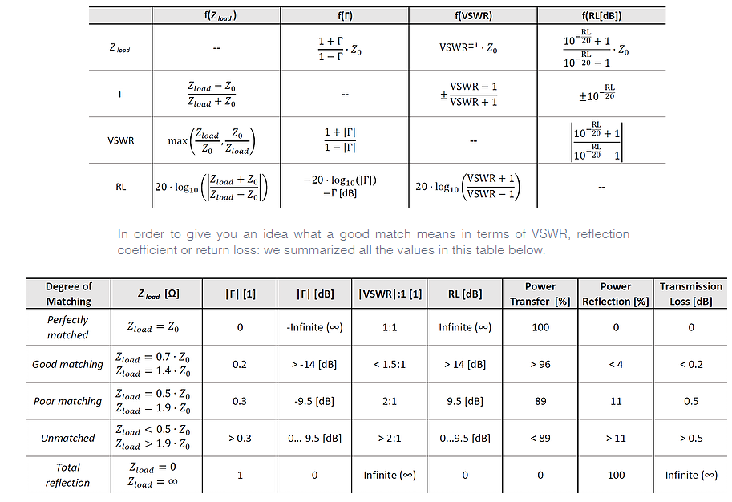

Disclaimer: Your use of this Academy of EMC Excel-Sheet indicates that you accept full responsibility for the results produced, and that you agree to indemnify and hold harmless Reto Keller, Academy of EMC, and it assigns, for any damages that may result from its use.

